Job Placement Outcomes
Job Placement Outcomes

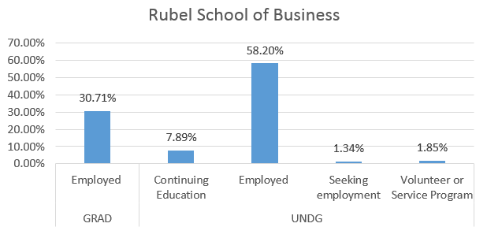

These data were collected via a survey distributed the summer of 2016 to all summer 2015, fall 2015 and spring 2016 graduates

